START F125
BIKE CODE FOR ORDERS: 23-START-125-STD |  | 2023-01-01 | BIKE DESCRIPTION NAME: START F125 2023
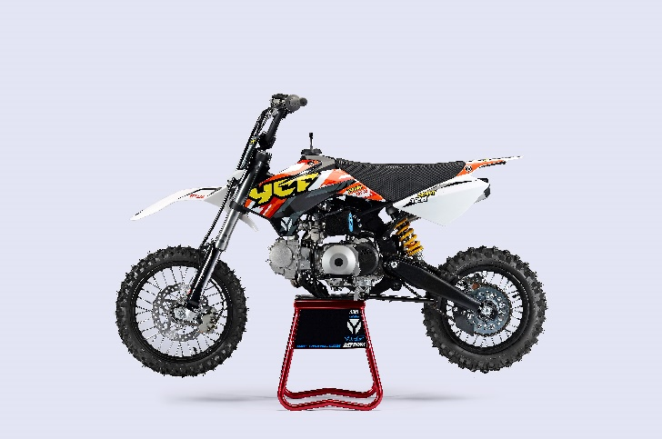 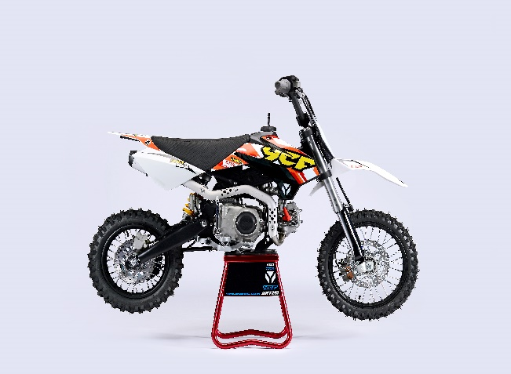

Handle bar assembly
50A = YCF50A
50E = YCF50E
W88E = START W88E
L88 = LITE88 L125 = LITE125
S88S = START F88S
S125S = START F125S
S125SE = START F125SE
S125 = STARTF125
P88 = PILOT 88
P125 = PILOT 125
P150 = PILOT 150
SM125 = START SM125S
SM150 = PILOT SM 150
SP1 = FACTORY SP1
SP2 = FACTORY SP2
SP3 = FACTORY SP3
B125 = BIGY 125MX
B150 = BIGY 150MX
BF150 = BIGY F150MX
BFD190 = BIGY FD190 MX
BFZ190 = BIGY ZE190 MX
S147 = SUNDAY 150
S187 = SUNDAY 190
N° | Ref. | Description | Français | Picture | Qty/Bike（主件/毛坯） | Model
1 | YC110-0101 | Handle Bar chromoly L=740mm d=22.2mm START,embossed, black | Guidon chromoly L=740mm d=22.2mm START,Stries,Noir |  | 1 | W88E21/S88SE21/L8821/L12521/S125SE21/S12521/P12521/P15021/SM12521
31 | YC110-0132 | Complete Bar Pad for Chromolly Handlebar L=250mm BLACK | Mousse guidon complete pour guidon Chromolly L=250mm NOIR |  | 1 | W88E1821/S88SE1820/L881820/L1251820/S12521/S125S1819/S125SE1820/P1251821/P1501820/SM1251820/B1251820/B1501820
 | YC110-0153-01 | Handle bar plastic cap,Nylon,Black | Embout plastique de guidon,nylon,noir |  | 1 | ALL BIKES 21
 | YC110-0138 -04 | YCF complete Throttle Assy. 2020 with YCF grip + Screw 2020 | Poignee gaz reglable complete YCF 2020 avec Paire de poignée caoutchouc YCF GRISE 2020 + vis reglage |  | 1 | 50A21/S88SE21/L8821/L12521/S12521/S125SE21/P12521/P15021/SM125s20/B12521/B15021
24 | GB819-M4x12 | Countersunk cross head machine screw,stainless steel, M4x12mm | Vis à tête fraisée plate cruciforme,Acier inoxydable, M4x12mm |  | 1 | ALL BIKES 1221
25 | GB819-M4x20 | Countersunk cross head machine screw,stainless steel, M4x20mm | Vis à tête fraisée plate cruciforme,Acier inoxydable, M4x20mm |  | 1 | ALL BIKES 1221
26 | GB70-M6x25 | HEXAGON SOCKET Head Bolt M6x25mm | Vis Allen (BTR) M6x25mm |  | 2 | ALL BIKES 1221
 | YC110-01022-06 | Complete SCREW FOR THROTTLE ADJUSTMENT, SIZE M5X50 | VIS M5X50 POUR RÉGLAGE DE LA POIGNÉE DE GAZ complete |  | 1 | 50A21/S88SE21/L8821/L12521/S12521/S125SE21/P12521/P15021/SM12521/B12521/B15021
33 | PPC011-GY | YCF set of grip GREY 2020 | Paire de poignée caoutchouc YCF GRISE 2020 |  | 1 | ALL BIKES 21
34 | YC110-0135-02 | clutch adjustable complete bracket with lever 2020 GREY | Cocotte reglage rapide avec levier embrayage 2020 GRIS |  | 1 | S12521/P12521/P15021/SM15021/SP221/SP321/B12521/B15021/BFD19020/BFZ19020/S14721/S18720
35 | YC110-0151-02 | Rubber on clutch lever adjustable screw 2020 | Caoutchouc levier embrayage molette reglage 2020 |  | 1 | S12521/P12521/P15021/SM15021/SP221/SP321/B12521/B15021/BFD19020/BFZ19020/S14721/S18720
36 | YC110-0136-02 | Rubber on clutch lever | Caoutchouc levier embrayage |  | 1 | S1251820/P1251821/P1501820/SM1501820/SP21820/SP31820/B1251820/B1501820/BF1501819/BFD1901820/BFZ1901821/S1471821/S1871821
 | YC110-0134-04 | Clutch bracket Assy 2020 GREY | Cocotte embrayage complete 2020 GRIS |  | 1 | S12521/P12521/P15021/SM15021/SP221/SP321/B12521/B15021/BFD19020/BFZ19020/S14721/S18720
15 | BT08-M6x20-W | HEXAGON Torx screw with Flange M6x20mm | Vis HEXAGONALE Torx avec Flange M6x20mm |  | 2 | ALL BIKES 21
 | YC110-0103-07 | Clutch lever 2020 Al (with FB13-8x10x10.5-Cu 1EA FB13-8x10x9.4-Cu 1EA FB20-10x16x1 1EA) complete with bushings | Levier embrayage 2020 (avec FB13-8x10x10.5-Cu 1EA FB13-8x10x9.4-Cu 1EA FB20-10x16x1 1EA) avec entretoises |  | 1 | S12521/P12521/P15021/SM15021/SP221/SP321/B12521/B15021/BFD19020/BFZ19020/S14721/S18720
18 | 27-06025B | Clutch Stepped bolt with offset M6x25mm | Vis cloche embrayage avec deport,M6x25mm |  | 1 | L1251621/S1251220/P1251321/P1501221/SM1501221/SP21221/SP31220/B1251721/B1501721/BF1501721/BFD1901721/BFZ1901821/S1471821/S1871821
19 | GB6177-06000B | Clutch Nut M6 | ecrou cloche embrayage M6 pour Levier embrayage |  | 1 | L1251621/S1251220/P1251321/P1501221/SM1501221/SP21221/SP31220/B1251721/B1501721/BF1501721/BFD1901721/BFZ1901821/S1471821/S1871821
12 | YC110-0105-15 | Kill Switch ON/OFF L=580mm Waterproof | Coupe circuit on off L=580mm ETANCHE |  | 1 | ALL BIKES 1221
13 | YC110-0106-17 | Throttle Cable L=840mm A+B=130mm(FOR NIBBI PE19) | Cable gaz L=840mm A+B=130mm (POUR NIBBI PE19) |  | 1 | 21-START-125-STD
36 | YC110-0143-01 | Rubber on trottle cable | Protection caoutchouc cable de gas |  | 1 | ALL BIKES 1720
20 | YC110-01-03-BK | Cable tie,nylon, L=150mm BLACK | collier maintien cable, nylon, L=150mm NOIR |  | 3 | ALL BIKES 1221
13 | YC110-0109-11 | Clutch Cable Assy. L=795mm A+B=80mm,adjustable | cable embrayage L=795mm A+B=80mm,Peut être ajusté |  | 1 | L1251720/S1251720

Steering stem assembly

N° | Ref. | Description | Français | Picture | Qty/Bike | Model
25 | YC110-02-053-BK | Complete Triple Clamp (TOPd45mm / BOTTOM d48mm) adjustable bar mount L=160mm 2020 BLACK | Te Fourche Complet (TE SUPd45mm / TE INF d48mm) pontet ajustable L=160mm 2020 NOIR |  | 1 | W88E21/S88SE21/S12521/S125SE21/SM12521/SM15021/SP221/B12521/B15021/BFZ19020
1 | YC110-0201-03 | Steering stem L=233mm | tige colonne direction L=233mm |  | 1 | S12521/S125S1119/S125SE1521/P1251120/P1501120/SM1251221/SM1501321/SP11317/SP21321/SP31320/B1251721/B1501721/BFD1901721/BFZ1901821/S1471821/S1871821
2 | YC110-0202-56-BK | Lower triple clamp L=160mm d48mm H=28mm 2020 MATT BLACK | té fourche inferieur L=160mm d48mm H=28mm 2020 NOIR MAT |  | 1 | W88E21/S88SE21/S12521/S125SE21/SM12521/SM15021/SP221/B12521/B15021/BF15020/BFZ19020
3 | YC110-0201-56-BK | Top Triple Clamp L=160mm d45mm H=28mm 2022 MATT BLACK, 3 ADJUSTEBLE POSITIONS | té fourche supérieur L=160mm d45mm H=28mm 2022 NOIR MAT, REGLAGE 3 POSITIONS |  | 1 | W88E21/S88SE21/S12521/S125SE21/SM12521/SM15021/SP221/B12521/B15021/BF15020/BFZ19020
26 | YC110-0203-035 | Set of Bar mount d22.2mm/bottom 55mm START Type BLACK （with GB70-M10x50x1.5W 2EA+BT08-M8x30-W 4EA） | jeu pontet guidon d 22.2mm / pontet bas 55mm Type START NOIR （with GB70-M10x50x1.5W 2EA+BT08-M8x30-W 4EA） |  | 1 | W88E21/L8821/S88SE21/L12521/S12521/S125SE21/P12521/P15021/SM12521/SM15021/SP221/B12521/B15021/BFZ19020
4 | YC110-0203-32 | 2020 Lower Bar Mount CNC START type, not adjustable d22.2mm H=55mm BLACK | Pontet guidon inférieur type START d22.2mm H=55 mm NOIR 2020 |  | 2 | W88E21/L8821/S88SE21/L12521/S12521/S125SE21/P12521/P15021/SM12521/SM15021/SP221/B12521/B15021/BFZ19020
5 | YC110-0201-02 | 2020 Top Bar Mout CNC d22.2 mm H=18mm START Type BLACK | pontet guidon supérieur 2020 d22.2mm H=18mm Type START NOIR |  | 2 | 50A21/50E21/W88E21/L8821/L12521/S88SE21/S12521/S125SE21/P12521/P15021/SM12521/SM15021/SP2/B12521/B15021/BFZ19020
15 | BT08-M6x25-W | HEXAGON Torx screw with Flange M6x25mm | Vis HEXAGONALE Torx avec Flange M6x25mm |  | 8 | ALL BIKES 21
16 | BT08-M8x30-W | HEXAGON Torx screw with Flange M8x30mm | Vis HEXAGONALE Torx avec Flange M8x30mm |  | 4 | W88E21/S88SE21/L8821/L12521/S12521/S125SE21/P12521/P15021/SM12521/SM15021/SP221/SP321/B12521/B15021/BFD19020/BFZ19020
14 | GB70-M10x50x1.5W | HEXAGON SOCKET Head Bolt M10x50mmx1.5mm | Vis Allen (BTR) M10x50mmx1.5mm |  | 2 | W88E21/S88SE21/L8821/L12521/S12521/S125SE21/P12521/P15021/SM12521/SM15021/SP221/B12521/B15021/BFZ19020
6 | YC110-0212-07-BK | Front Number Plate complete 2014 BLACK | PLAQUE AVANT complete 2014 NOIR |  | 1 | W88E21/S88SE21/L8821/L1251720/S12521/S125S1421/S125SE1420/P1251421/P1501421/SM125s1420/SM1501420/SP11417/SP21420/SP31421
20 | BT08-M6x12-W | HEXAGON Torx screw with Flange M6x12mm | Vis HEXAGONALE Torx avec Flange M6x12mm |  | 1 | ALL BIKES 21
 | GB97-d6-W | Flat washer d6mm | Rondelle plate d6mm |  | 1 | ALL BIKES2020
27 | KRDIRECTION46 | set of bearing for steering 46/23.5、46/22 | Kit rlt colonne direction 46/23.5、46/22 |  | 1 | 50A21/50E21/W88E21/S88SE21/L8821/L12521/125S1519/S125SE1521/P1251321/P1501321/SM1251321/SM1501321/SP11117/SP21221/SP31220/B1251721/B1501721/BF1501720/BFD1901721/BFZ1901721/S1471821/S1871821
9 | YC110-02-09 | Top nut for steering d54.5mm | écrou crantellé colonne direction d54.5mm |  | 1 | ALL BIKES 1221
10 | YC110-02-10 | Washer for steering stem nut d22mmxd37mmx0.7mm | joint colonne direction d22mmxd37mmx0.7mm |  | 2 | ALL BIKES 1221
11 | YC110-02-11 | Nut for steering stem M22 | écrou supérieur colnne direction M22 |  | 1 | ALL BIKES 1221
13 | YC110-0214-01-WH | Complete Break Line Retainer White（with GB9074.5-M4x10-W 1EA ） | guide durite avec vis sur plaque avant complet Blanc |  | 1 | 50A21/50E21/W88E21/S88SE21/L8821/L1251621/S125SE1521/P1251421/P1501421/SM1251420/SM1501420/SP11417/SP21420/SP31421/B1251721/B1501721/BF1501721/BFD1901721/BFZ1901721
 | YC110-0213-10 | Front plastic plate to hold cables 75mmx100mm | Plaque avant plastique maintien cables 75mmx100mm |  | 1 | ALL BIKES 21
30 | YC110-0213-08 | Number plate bracket | support plaque avant |  | 1 | S1251420/S125SE1521/P1251421/P1501421/SM1251621/SM1501620/SP11617/SP21620/SP31620/B1251721/B1501721/BF1501721/BFD190ZE1720/BIGYF190D1720
31 | GBT5787-M6x16-6 | Hex. Bolt with flanged M6x16mm (offset 6mm) | vis M6x16mm (deport 6mm) |  | 1 | ALL BIKES 1620
 | YC110-01-08-BK | Cable tie, PA66 L=80mm ADJUSTABLE BLACK | Collier maintien cable,PA66 L=80mm AJUSTABLE NOIR |  | 2 | ALL BIKES 21
 | YC110-02-20 | Washer for steering stem nut | joint colonne direction |  | 1 | S1251420/S125S1419/S125SE1420/P1251421/P1501421/SM1251420/SM1501420/SP11417/SP21420/SP31421/B1251721/B1501721/BF1501721/BFD1901721/BFZ1901821/S1471821/S1871821/S88SE21

Front Fender

N° | Ref. | Description | Français | Picture | Qty/Bike | Model
1 | YC110-032-02-WH | YCF Front Fender 2020 (Short) WHITE | GARDE BOUE AVANT 2020 Court BLANC |  | 1 | W88E21/S88SE21/L12521/S125SE21/S12521/P12521/P15021/SM12521/SM15021/SP221/SP321
2 | GBT5787-M6x16-6 | Hex. Bolt with flanged M6x16mm (offset 6mm) | vis M6x16mm (deport 6mm) |  | 3 | 50A21/50E21/W88E1821/S88SE1820/L8821/L12521/S12521/S125SE1820/P1251821/P1501820/SM1251820/SM1501820/SP21820/SP31820/B1251820/B1501820/BF1501721/BFD19017820/BFZ1901821
 | GBT5787-M6x16-3 | HEXAGON screw with Flange with half thread M6x16mmx3mm | Vis HEXAGONALE avec Flange et deport M6x16mmx3mm |  | 2 | 50A21/50E21/W88E1821/S88SE1820/L8821/L12521/S12521/S125SE1820/P1251821/P1501820/SM1251820/SM1501820/SP21820/SP31820/B1251820/B1501820/BF1501721/BFD19017820/BFZ1901821

Front & Rear absorber

N° | Ref. | Description | Français | Picture | Qty/Bike | Model
24 | YC110-0400-41 | Pair of forks L=660mm (not adjustable) GREY 2020 | Jeu de fourches (non ajustable) L=660mm GRIS 2020 |  | 1 | S12521/S125SE21/SM12521
1 | YC110-0401-0101 | Front right fork L=660mm (not adjustable) GREY 2020 | Tube fourche droit L=660mm GRIS 2020 |  | 1 | S12521/S125SE21/SM12521
...
N° | Ref. | Description | Français | Picture | Qty/Bike | Model
16 | YC110-16-041-BK | frame engine pads right START BLACK | patte de cadre droite START NOIRE |  | 1 | S12521/S125SE1521/S125S1321/SM1251321
5 | GB97-d10-W | Flat washer d10.5mmxd20mmx2mm | Rondelle plate d10.5mmxd20mmx2mm |  | 1 | ALL BIKES 1121
6 | GB91-d2x25-W | Split pin 2.0x25mm | Goupille 2.0x25mm |  | 1 | ALL BIKES 1321
8 | BT08-M8x70-W | HEXAGON Torx screw with Flange M8x70mm | Vis HEXAGONALE Torx avec Flange M8x70mm |  | 2 | S88SE21/S12521/125se20/SM12521
9 | BT08-M8x110-W | HEXAGON Torx screw with Flange M8x110mm | Vis HEXAGONALE Torx avec Flange M8x110mm |  | 1 | L8821/L15021/S88SE21/S12521/S125SE21/P12521/P15021/SM12521/SM15021
9 | BT08-M8x105-W | HEXAGON Torx screw with Flange M8x105mm | Vis HEXAGONALE Torx avec Flange M8x105mm |  | 1 | 50A/S88SE21/L8821/L12521/S125SE21/S12521/P12521/P15021/SM12521/SM15021/SP221/SP321/B12521/B15021/BFD19020/BFZ19020/S14721/S18720
10 | GB6187-M8-W | HEXAGON FLAT FLANGE LOCK NUT M8 | Ecrou HEXAGONAL avec Flange autobloquant M8 |  | 4 | ALL BIKES 1221
12 | BT08-M8x16-W | HEXAGON Torx screw with Flange M8x16mm | Vis HEXAGONALE Torx avec Flange M8x16mm |  | 4 | 50A21/50E21/W88E21/S88SE21/L8821/L12521/S1251320/S125SE21/SM12521

FRONT SPROCKET PROTECTION
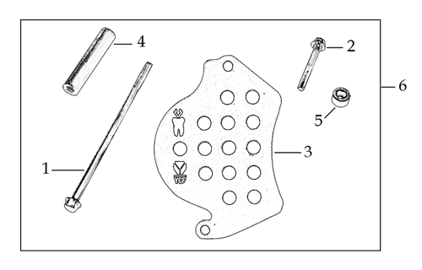
N° | Ref. | Description | Français | Picture | Qty/Bike | Model
 | YC110-2004-01-GY | Complete YCF Crankcase Cover, LH for kick start engine GREY | CARTER ALLUMAGE complet YCF pour moteur demarage avec kick GRIS |  | 1 | LITE8823/LITE12523/START12523/START125S23/PILOT12523/SM12523/SM15523/SM19023/BIGY12523/BIGY15023/SP223/SP319023/BFD1923/S18723
 | YC110-1803-02-BK | YCF BI-MATERIEL Front Sprocket plastic cover for kick start engine | Protection COMPOSITE YCF PSB pour moteur demarage avec kick |  | 1 | LITE8823/LITE12523/START12523/START125S23/PILOT12523/SM12523/SM15523/SM19023/BIGY12523/BIGY15023/SP223/SP319023/BFD1923/S18723
 | YC110-2014-01-BK | YCF Aluminium Cap Big View Hole BLACK | Bouchon carter allumage CNC YCF NOIR |  | 1 | LITE8823/LITE12523/START12523/START125S23/PILOT12523/SM12523/SM15523/SM19023/BIGY12523/BIGY15023/SP223/SP319023/BFD1923/S18723
 | YC110-2019 | O-Ring d22x1.9 | Joint toriqued22x1.9 |  | 1 | LITE8823/LITE12523/START12523/START125S23/PILOT12523/SM12523/SM15523/SM19023/BIGY12523/BIGY15023/SP223/SP319023/BFD1923/S18723
 | GB5787-M6x40-Cr | HEXAGON screw with Flange M6x40mm | Vis HEXAGONALE avec Flange M6x40mm |  | 1 | LITE8823/LITE12523/START12523/START125S23/PILOT12523/SM12523/SM15523/SM19023/BIGY12523/BIGY15023/SP223/SP319023/BFD1923/S18723
 | GB5787-M6x25-Cr | HEXAGON screw with Flange M6x25mm | Vis HEXAGONALE avec Flange M6x25mm |  | 2 | LITE8823/LITE12523/START12523/START125S23/PILOT12523/SM12523/SM15523/SM19023/BIGY12523/BIGY15023/SP223/SP319023/BFD1923/S18723

GRAPHICS
...

